General
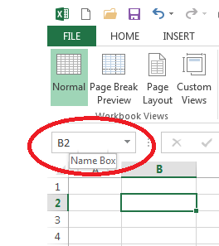
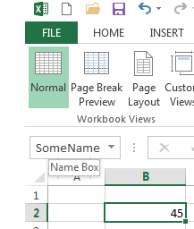
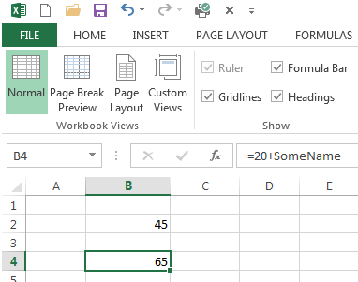
Click here to go to home page
General Tips & Tricks

 | This page lists a number of useful tips and tricks for general use.

Insert Multiple Blank Rows at Once

 | Instead of inserting a number of single rows, you can insert multiple rows at once.

 | See example below:
 | Highlight the row that you want to insert above, and drag down for the number of rows you want to insert.
 | Right click and insert as you would for a single insert
 | Voila!

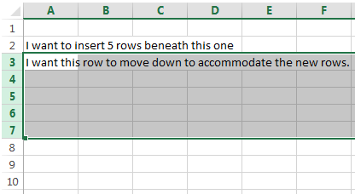
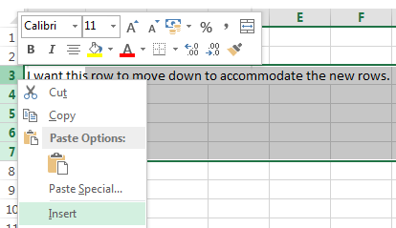
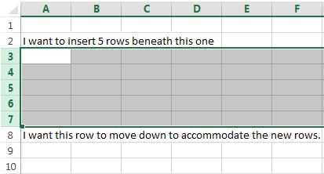

Freeze Panes (so rows or columns always show)

 | You've probably noticed each sheet in this workbook always shows a header.

 | This one shows a hyperlink to get to the homepage and a heading: 'General Tips & Tricks'
 | No matter how much I scroll down, these rows are always displayed.
 | This is achieved by using the Freeze Panes option in the View tab.

 | There are two predefined options offered: "Freeze First Column" and "Freeze Top Row"
 | These are faily self explanatory

 | The remianing option is "Freeze Panes"
 | This will use the top left of the currently selected cell as a pivot point
 | All rows and columns to the left or above this pivot point will always be displayed

 | Try it out, if you make a mistake you can "Unfreeze panes" in the same tab.

 | You can also use the "Split" option in the view tab to have up to four independent windows of the current worksheet.

Today's Date

 | 2016-06-03 | =TODAY()

 | This can be useful if you want to automatically update equipment schedules to the date it was when it was saved / converted to PDF
 | Use with caution!

Flip a table (Transpose it)

 | Sometimes, we have data in a table bit it's the wrong way around
 | There's a quick way to flip a table using the Paste Special -> Transpose option

 | Example Table |  |  |  |  |  |  |  | It should look like this:

 | 1 | 50 | example
 | 2 | 20 | text
 | 3 | 30 | shown
 | 4 | 10 | here

 | Copy the table |  |  |  |  | Select the yellow cell
 | Select it -> Ctrl + C |  |  |  |  | Right Click -> Paste Special -> Transpose

 | Note:
 | There are other paste special options available
 | "Paste Values" is also useful if you only want the values to be copied and not the formulae in the cells

Quickly Select Data

 | There are faster ways to select data than using the mouse and dragging the cursor.

 | Click in the first cell you want to select and hold down Ctrl+Shift, then hit the direction button which points towards the rest of the data

 | All of the data until the next empty cell will be selected. If you want to select more, just tap the direction button again.

 | Example Data

 | 5 | 8 | 11 | 14 | 17 |  | Click in the yellow cell
 | 10 | 13 | 16 | 19 | 22
 | 15 | 18 | 21 | 24 | 27 |  | Press Ctrl+Shift+Down to select the first colum
 | 20 | 23 | 26 | 29 | 32
 | 25 | 28 | 31 | 34 | 37 |  | Press Ctrl+Shift+Right to select the first row
 | 30 | 33 | 36 | 39 | 42
 | 35 | 38 | 41 | 44 | 47 |  | Press one followed by the other to select the whole table
 | 40 | 43 | 46 | 49 | 52
 | 45 | 48 | 51 | 54 | 57 |  | Granted, this doesn’t save much time in this case, but if you have thousands of rows of data it can be very helpful
 | 50 | 53 | 56 | 59 | 62
 | 55 | 58 | 61 | 64 | 67
 | 60 | 63 | 66 | 69 | 72 |  | Note: Omit the shift key to just move to the last cell in the given direction
 | 65 | 68 | 71 | 74 | 77
 | 70 | 73 | 76 | 79 | 82

Combine data from cells using &

 | If we want to combine the text in two cells into one cell, we can use the & symbol.

 | Text 1: | My name is
 | Text 2: | Richard

 | Combined: | My name is Richard |  |  |  | <-- highlight this cell to see the formula used

Make text all UPPERCASE or LOWERCASE

 | Sample text: |  | (57) Ventilation & Fire services - Ground floor

 | =UPPER |  | (57) VENTILATION & FIRE SERVICES - GROUND FLOOR |  |  |  |  | <-- highlight to see formula

 | =LOWER |  | (57) ventilation & fire services - ground floor |  |  |  |  | <-- highlight to see formula

Round decimals or significant numbers

 | Original | Result |  | Formula

 | €137,543.17 | €137,543.20 |  | =ROUND(B130,1)

 | €137,543.17 | €137,550.00 |  | =CEILING(B133,10)

 | €137,543.17 | €137,500.00 |  | =FLOOR(B135,100)

Generate a Random Number

 | 51 |  | If we want to randomly generate a number between two values
 | 30
 | 41 |  | =RANDBETWEEN(bottom, top)
 | 41
 | 54 |  | NB: A new random number is calculated each time an action occurs in the workbook (enter data, apply formula, undo, copy, paste etc)
 | 18
 | 22 |  |  | <- change the value of this cell and press enter

Quickly Cycle through worksheets

 | Cycle through worksheets using:

 | Ctrl + Page Up |  | goes to previous worksheet

 | Ctrl + Page Down |  | goes to next worksheet

 | Useful for cycling through equipment schedules

Format Painter
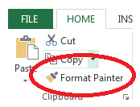
 | Use format painter to copy the format (fill, border, font etc) from one cell to another

 | Double click on format painter if you want to apply it to a number of cells

 | Use format painter to apply the formats below to the unformatted text

 | italic text | -> | Unformatted text

 | bold text | -> | Unformatted text

 | custom 1 | -> | Unformatted text

 | custom 2 | -> | Unformatted text

 | Note: Format painter can be used to copy an entire column or row's format to other columns or rows

Conditional Formatting

 | Use conditional formatting to quickly identify cells that fit a particular criteria

 | There are a number of predefined options which will be suitable for most applications
 | If you have a more specific task, you can create your own rule using the "New Rule…" option
 | You can add multiple rules to the same range (Note that the order of these rules depends on which is applied first - see "Manage Rules")

 | Select a range and click "Manage Rules" to view and edit the current rules applied to that range.

 | Less Than
 | 4.5%

 | Greater Than or Equal To
 | 4.5%

 | Above
 | 8.0%

 | Values
 | 4.5%
 | 2.0%
 | 3.6%
 | 5.2%
 | 9.0%
 | 6.0%
 | 1.2%

 | Highlight the range above
 | and select "Manage Rules"

Name a Cell so you can reference it from anywhere

 | When you have a cell highlighted, you can give it a name in the Name Box as shown below

 | Once you have named a cell, you can reference it in formulae from other cells

Graphs
Click here to go to home page
Graphs & Charts

 | There are a huge range of graphs and graphing options available in excel.

 | Just because there are complicated options available, doesn't mean you should use them.

 | Your graph should be simple, while providing as much information as possible.

 | Only use 3D if you need an extra dimension to show your data. Using it to make it when you don't need to just confuses things.

Bar Chart

 | Sample Data - 2015 RWC Pool D |  |  |  | 2D Column (Clustered) |  |  |  |  | 2D Column (Stacked)

 | Team | Total | Bonus | Regular
 | Ireland | 18 | 2 | 16
 | France | 14 | 2 | 12
 | Italy | 10 | 2 | 8
 | Romania | 4 | 0 | 4
 | Canada | 2 | 2 | 0

Bar Chart with secondary vertical axis

 | Sample Data - 2015 RWC Pool D
 |  |  |  |  |  |  | (Spacers)
 | Team | Points | Tackles | Tackles/Game |  |  | Primary | Secondary |  |  | To create a bar chart with a secondary axis (with the bars side by side instead of on top of eachother)
 | Ireland | 18 | 458 | 115 |  |  | 0 | 0 |  |  | Refer to this youtube video:
 | France | 14 | 496 | 124 |  |  | 0 | 0 |  |  | https://www.youtube.com/watch?v=dSKEl29Yn6k
 | Italy | 10 | 569 | 142 |  |  | 0 | 0
 | Romania | 4 | 445 | 111 |  |  | 0 | 0
 | Canada | 2 | 482 | 121 |  |  | 0 | 0

 | Add the data to the chart below: |  |  |  |  |  |  |  | What the chart should look like:
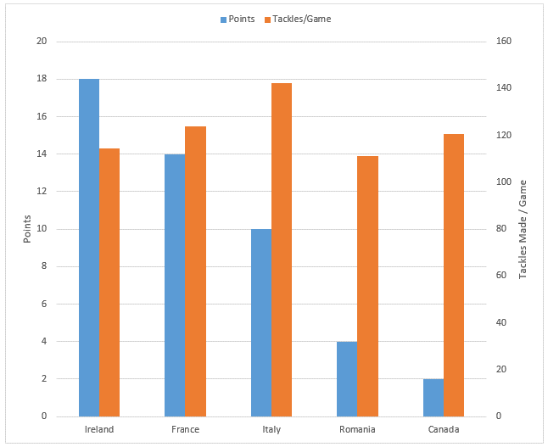

Pie Chart

 | Pie charts are useful for showing the breakdown of something.

 | Sample Data:

 |  | Orientation | Classrooms
 |  | North | 3 | 12%
 |  | East | 8 | 31%
 |  | South | 10 | 38%
 |  | West | 5 | 19%
 |  | Total: | 26

 | Bad Example: |  |  |  |  | Good Example:
Classroom Orientations

The $ symbol
Click here to go to home page
Absolute Referencing

 | When you use a cell's value in a formula you are referencing that cell.
 | A cell's formula can be applied to cells beside or above/below it (by selecting the cell, hovering over the bottom right corner and using the little cross that appears to pull the formula across the required cells).
 | In this case, the referenced cell within the formula will automatically update relative to the change in cell location (i.e. they are relative references)

 | Sometimes, we don't want the reference cell to be updated automatically
 | In this case, we need to use an absolute reference

 | An absolute reference is entered in a formula by the addition of a dollar sign - $
 | The dollar sign can precede the column reference, the row reference, or both.

 | When you have a reference selected within a formula, you can use F4 to cycle through the absolute reference options.

 |  | <- click on this cell, click on the cell reference (A16) and press the F4 button
 |  | This will change the reference from A16 -> $A$16 -> A$16 -> $A16

When to use the $ before the column? (E.g. $A16)

 | Use the $ symbol before the column when you always want rows from this column to be used
 | Follow the steps below to see this in action (if you make a mistake use undo - Ctrl + Z)

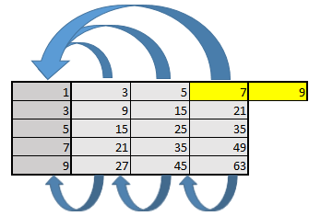
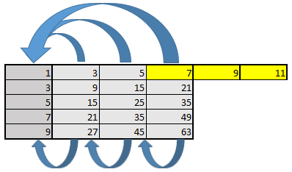
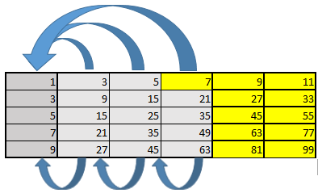
 | 1 | Highlight the yellow cell below and drag the formula across to the cell to the right of it. |  |  |  |  |  |  | After Step 1, it should look like this: |  | After Step 3, it should look like this: |  | After Step 5, it should look like this:
 | 2 | Notice the formula in the new cell references the first column and also the column beside it
 | 3 | Highlight the new cell and drag it across to the right again
 | 4 | The new cell still references the first column but also the column beside it.
 | 5 | Highlight the 2 new cells and drag their formulae down to the remaining rows in the table
 | 6 | Notice the formulae in these rows still reference the first column, but have updated the row reference

 |  |  |  |  |  |  | <- absolute referenced column

 |  |  |  |  |  | The first column is reference from each cell by using the $ sign

 |  | 1 | 3 | 5 | 7
 |  | 3 | 9 | 15 | 21
 |  | 5 | 15 | 25 | 35
 |  | 7 | 21 | 35 | 49
 |  | 9 | 27 | 45 | 63

 |  |  |  |  |  | The adjacent colum is referenced by omitting the $ sign

When to use the $ before the row? (E.g. A$16)

 | Use the $ symbol before the row when you always want columns from this row to be used
 | Follow the steps below to see this in action (if you make a mistake use undo - Ctrl + Z)

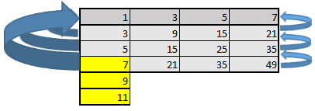
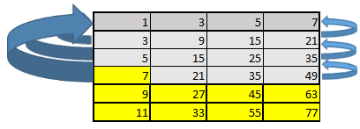
 | 1 | Highlight the yellow cell below and drag the formula down to the cell below it. |  |  |  |  |  |  |  | After Step 1, it should look like this: |  | After Step 3, it should look like this: |  | After Step 5, it should look like this:
 | 2 | Notice the formula in the new cell references the first row and also the row above it
 | 3 | Highlight the new cell and drag it down below again
 | 4 | The new cell still references the first row but also the row above it.
 | 5 | Highlight the 2 new cells and drag their formulae accross to the remaining columns in the table
 | 6 | Notice the formulae in these columns still reference the first row but have updated the column reference

 |  |  |  |  |  |  |  | <- absolute referenced row
 |  | 1 | 3 | 5 | 7
 |  | 3 | 9 | 15 | 21 |  | The first row is referenced from each cell by using the $ sign on the row
 |  | 5 | 15 | 25 | 35 |  | The adjacent row is referenced from each cell by omitting the $ sign
 |  | 7 | 21 | 35 | 49

When to use the $ before both the column and the row? (E.g. $A$16)

 | Use the $ symbol before both the column and the row when you always want cto use this cell in your formula.
 | At this stage you get the idea and don't need a step by step to follow it….

 |  |  |  |  |  |  |  | <- absolute referenced cell

 |  | 1 | 3 | 5 | 7
 |  | 3 | 8 | 15 | 24 |  | The first cell is referenced from every cell in the table by using the $ sign on both the column and the row
 |  | 5 | 15 | 32 | 58 |  | The adjacent columns and rows are referenced from each cell similarly to above
 |  | 7 | 24 | 58 | 118

Vlookup
Click here to go to home page
The VLOOKUP & INDEX-MATCH Functions

 | Use the vlookup function when you want to check where a value occurs in the first column of a table, and return a corresponding value from another column in the table

 | VLOOKUP always searches the leftmost column of the specified table to find the lookup value

 | =VLOOKUP(lookup_value, table_array,col_index_num,[range_lookup])

 | lookup_value | = the value that you're searching for
 | table_array | = the table to search for the value from (should be a range susch as A1:B10). The first colum is always searched for the look_up value.
 | col_index_num | = the column to return the value from (if the lookup value is found in row 3, the value in row 3 in the selected column will be returned)
 | [range_lookup] | = if set to FALSE, an exact match is required, if omitted or set to TRUE, and approximate match will be returned

 | If the value can't be found, a N/A will be returned (if an exact match required)

 | For example
 | If we had a table with a number of radiator references and their corresponding kW ratings and costs
 | We could use vlookup to enter a reference and return the kW rating or cost

 |  |  | (Ref) | (kW) | (cost)
 |  |  | 1 | 2 | 3 | column index
 |  | 1 | R-01 | 1.0 | €250 |  | Change the reference used and watch the kW rating or cost value update automatically
 |  | 2 | R-02 | 1.5 | €500
 |  | 3 | R-03 | 2.0 | €750 |  | Notice that if we enter an invalid reference, we get N/A returned
 |  | 4 | R-04 | 2.5 | €1,000
 |  | 5 | R-05 | 3.0 | €1,250 |  | R-05 | <-- Enter radiator reference (lookup_value)
 |  | 6 | R-06 | 3.5 | €1,500
 |  | 7 | R-07 | 4.0 | €1,750 |  | 2 | <-- Enter the column index with the kW rating or cost, depending on what you want to return (col_index_num)
 |  | 8 | R-08 | 4.5 | €2,000
 |  | 9 | R-09 | 5.0 | €2,250 |  | 3.0 | <-- The resulting kW rating or cost is shown here, depending on which column was entered (highlight the cell to see the VLOOKUP function)

row index
search column
 |  |  |  |  |  |  | The MATCH function is similar to the VLOOKUP function.
 |  |  |  |  |  |  | Instead of returning the value from a corresponding column, it returns the row index of where the value was found.

 |  |  |  |  |  |  | 5 | <-- The row index of the table where the value was found (highlight the cell to see the MATCH function)

 | Note: HLOOKUP can be used when you want to search rows instead of columns.
 | HLOOKUP is similar to VLOOKUP (horizontal rather than vertical).

What if I want to search the second or third columns? (INDEX-MATCH)

 | If we want to search for a value in a different column (i.e. not the first) we would have to rearrange our table to use the VLOOKUP function
 | Luckily, we can combine the funtions INDEX & MATCH instead as shown below:

 | =INDEX(Return_value_range, MATCH(Lookup_value, Lookup_value_range, Match_type))

 | For example, if we want to find a radiator for a certain kW rating we could do it as follows:

 |  |  | (Ref) | (kW) | (cost)
 |  |  | 1 | 2 | 3 | column index
 |  | 1 | R-01 | 1.0 | €250
 |  | 2 | R-02 | 1.5 | €500 |  | 2 | <-- Enter the kW rating required (lookup_value)
 |  | 3 | R-03 | 2.0 | €750
 |  | 4 | R-04 | 2.5 | €1,000 |  | R-03 | <-- The resulting radiator reference is shown here
 |  | 5 | R-05 | 3.0 | €1,250 |  |  | Note: in this example, the kW rating must EXACTLY match the kW rating in the table
 |  | 6 | R-06 | 3.5 | €1,500 |  |  | (highlight the cell to see the INDEX-MATCH function)
 |  | 7 | R-07 | 4.0 | €1,750
 |  | 8 | R-08 | 4.5 | €2,000 |  | R-03 | <-- With a slight adjustment, we can return the reference of the radiator with a kW rating greater than or equal to that required
 |  | 9 | R-09 | 5.0 | €2,250 |  |  | Note: there seems to be an error using the -1 for greater than or equal to parameter. A quick google told me to include a LOOKUP function as above
 |  |  |  |  |  |  |  | (highlight the cell to see the modified INDEX-MATCH function)
row index
search column

 | Sometimes the combined functions have limitations.
 | In the example above, if I want a radiator that will give me 0.5kW (which is lower than the first value) it will throw an error
 | Also, if my kW ratings weren't in descending order, I could get some unexpected results.

 | NB: Remember to test out your formula to ensure the results are as expected.

Macros
Click here to go to home page
Introduction to Macros

 | Macros are programs that are run within Excel
 | They can be incredibly simple or incredibly complex.
 | And they can do pretty much anything.

 | Tedious repetitive tasks can usually be done by writing a relatively straightforward macro.

 | Before you begin, there's a couple of things you must do for your workbook to be able to use macros

 | Firstly, save your workbook as a macro enable document.

 | Next, you need to show the "Developer" Tab in your workbook.
 | Go to File -> Options
 | In the window that appears, navigate to Customise Ribbon and select the Developer checkbox as shown below (Excel 2013)

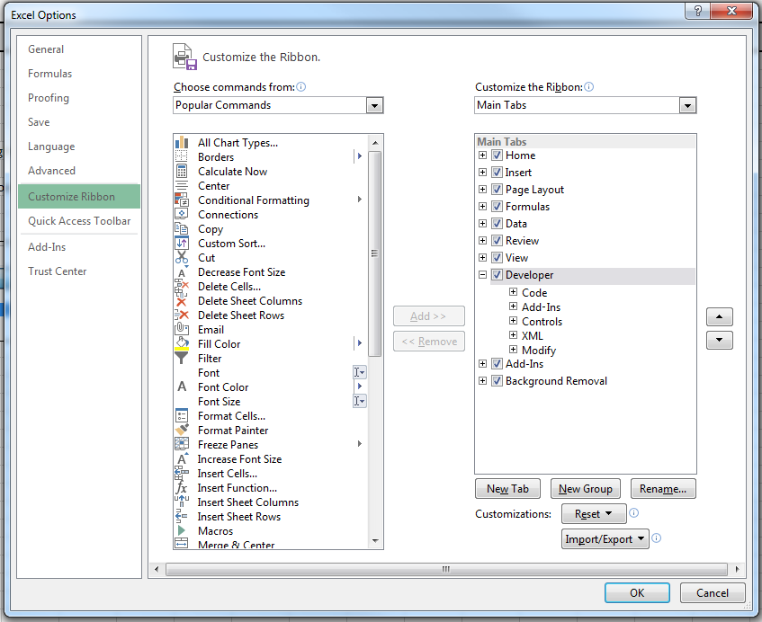

 | You should now have the Developer Tab in your workbook as shown below:

 | This tutorial is continued in the "Visual Basic" window.
 | Select visual basic from the developer tab and navigate to the Introduction Module in the project explorer.
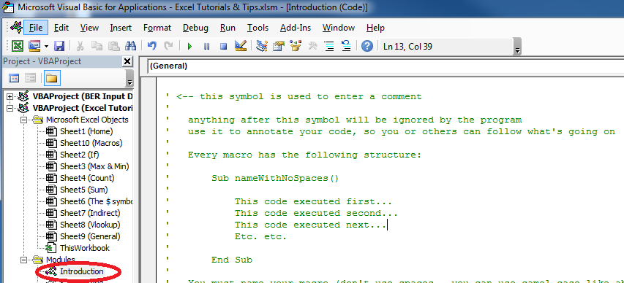

 | If the project explorer is not shown, go to View - Project Explorer (or press Ctrl + R)

For use with displayData() macro (refer to the visual basic window for explanation)

displayData()
 | 7 |  | Enter a value in the yellow box and click the button to the right | Note that this button is just a shape (insert -> shape) with an assigned macro (right click - > assign macro)

 |  |  | Alternatively, go to Developer Tab -> Macros and select displayData() and press run

 |  | 21 | <- change the displayData() macro so that the data in this cell is displayed instead

